Sheet1
note these are rough designs outlying the functionality of the program

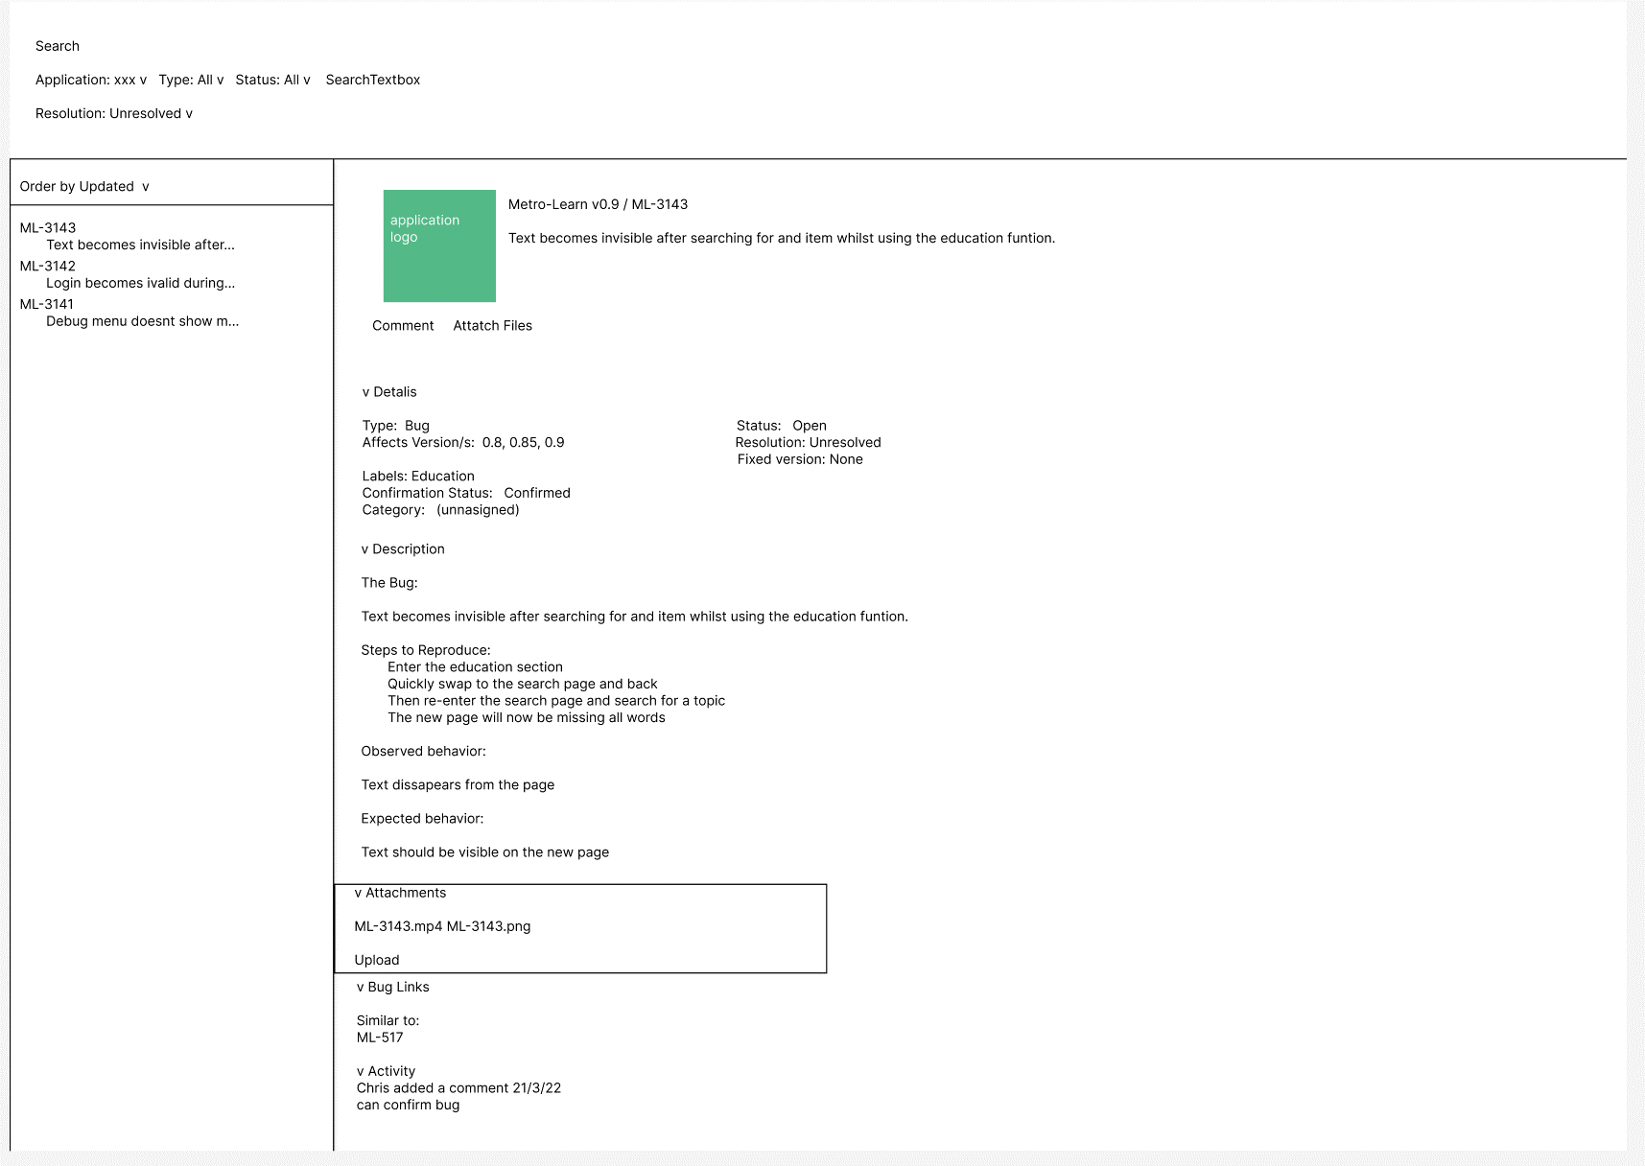
Search is just the header subject to change
Application allows the user to select which type of application to search for |  | the label and category will allow the program to search for similar bugs within the bug link section
Type is fairly redundant as most entries into the system will be a bug
Status allows for the search of open or closed bugs
Search text box allows the user to search using the description of the bug

Bar on the left is filled with the most recent bug reports
code allows user to search for bugs easily and adds an identifier for searching and sorting
This is created by loading the ID and the description of the bug

When one of the entries is clicked on it will show this screen --->
having two or three databases for this might prove to work best
you can store all the details and descriptions of the bug in the first database
this allows the page to load quickly as no images have to be dealt with as of now
the second database would be for storing the attachments, currently I want to allow for both
Images and videos to be submitted so having a secondary database to load these would
reduce the startup time and hopefully allow for faster transitions
the final database would be for comments, this might not be necessarry as if the number
of comments are low then we don’t need to load a huge ammount of data and we can store
the comments alongside the bug's metadata
currently the plan for the system is to implement it as a one user system as that is the easiest
solution and then implementing a logon system along with user profiles and priorities
so the activity section is unlikely to be in the initial build

attaching files should just directly open the file browser on the pc as it is unnecessary to
have descriptions for the attachments

the first prototype doesn’t show the date on which the bug was reported, when the last
update was or when the problem was solved

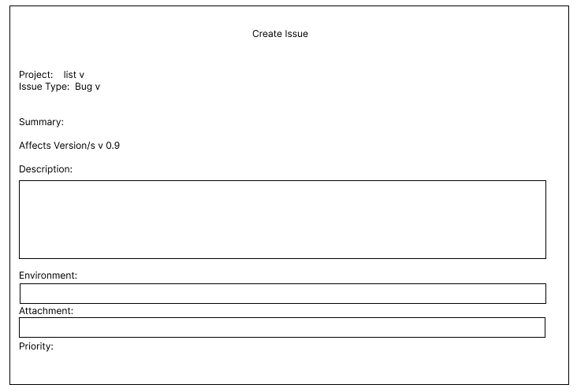

 | currently there is no section to input the label or category of the bug
The create issue page or the bug reporting page is much simpler. | this might just be handled inside the update section as it is easier to report a bug
you choose from a list of projects/applications and the version | then get information about what the bug should be defined under
this can be stored in a small database as the number of applications and versions
should be comparatively small compared to the number of bugs

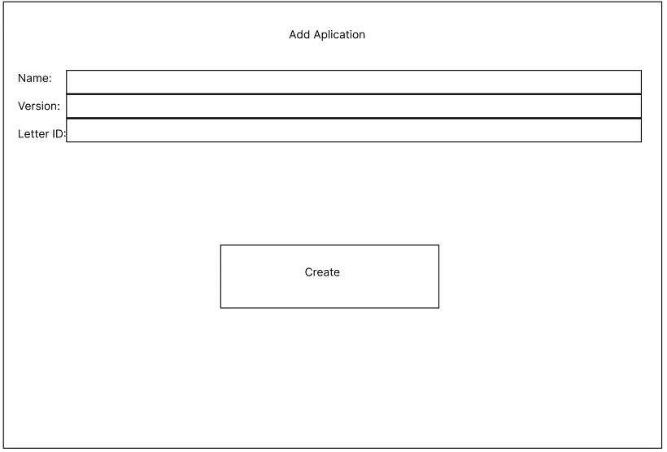

the new application/version page allows for the user to add new applications and versions
to the program
it takes the name,version and letter ID as the input
the name and version is inputted as a string
but the letter ID is a mix of 2 characters, I chose two characters as it allows for the user
to differentiate between different applications easily, however there is a limited number
of apps that can be stored with this system.
so a new form might have to be created in order to allow for more characters in the future
if the user is just adding a new version they should keep the same name and letter ID as the
already existing application and just change the version

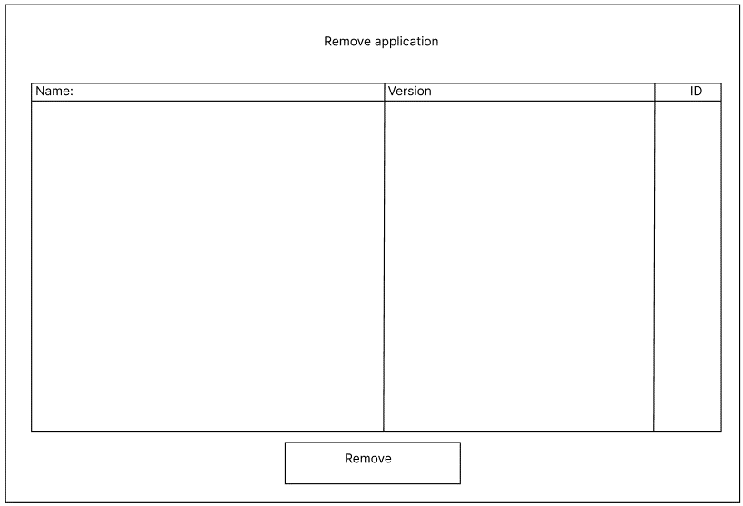
this page takes data from the application database and displays all current applications and
versions
you should be able to select an item from the list and remove it, removing the application
makes it so that it cannot be selected from the list of applications but old bugs should
keep the classification
currently unsure on how to handle entries made by mistake but this should be a suitable
solution for the time being

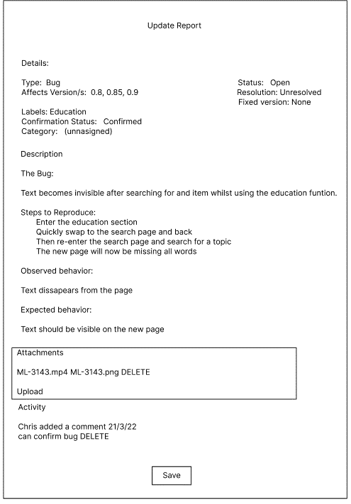
the update report form will allow the user to edit most of the text stored inside the report
the user can add and remove affected versions, change the status, resolution and the fixed
version.
this page is where the user can assign lables, confirm the bug and assign a category
the description and behaviour sections are editable so the user can change the text and update
with new information
the attatchments and comments have delete sections next to them, if some data is not needed
or unhelpful it can be deleted

